Sheet1
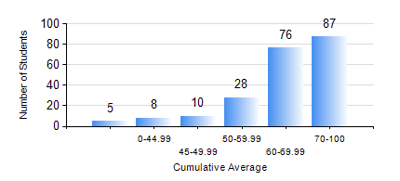
 |  |  | KWAME NKRUMAH UNIVERSITY OF SCIENCE AND TECHNOLOGY, KUMASI Department of Mechanical Engineering

 |  |  | BSC. MECHANICAL ENG.

 |  |  | COMPREHENSIVE RECORD OF EXAMINATION RESULTS

 |  |  | RESULTS OF YEAR 1 FIRST SEMESTER, 2021/2022 ACADEMIC YEAR

 | Sn | Course Code |  | Course Name | Credit Hours | Min. Mark | Max. Mark | Avg. Mark | Std. Dev. | No. Passed | No. Trailed | No. (Df) | No. (I) | No. (I*) | No. Tagged(I,I*,Df) | Total
 | 0. |  |  |  |  |  |  | 0 | 0 | 0 | 0 | 0 | 0 | 0 | 0 | 9
 | 1. | CE 155 |  | ENVIRONMENTAL STUDIES | 2 | 0 | 83 | 58 | 11.87 | 199 | 6 | 0 | 0 | 0 | 0 | 205
 | 2. | EE 151 |  | APPLIED ELECTRICITY | 3 | 0 | 100 | 60 | 23.14 | 163 | 42 | 0 | 0 | 0 | 0 | 205
 | 3. | ENGL 157 |  | COMMUNICATION SKILLS I | 2 | 0 | 86 | 61 | 14.23 | 197 | 8 | 0 | 0 | 0 | 0 | 205
 | 4. | MATH 151 |  | ALGEBRA | 4 | 0 | 98 | 80 | 15.31 | 201 | 4 | 0 | 0 | 0 | 0 | 205
 | 5. | ME 157 |  | INTRODUCTION TO INFORMATION TECHNOLOGY | 2 | 0 | 97 | 65 | 16.12 | 197 | 8 | 0 | 0 | 0 | 0 | 205
 | 6. | ME 159 |  | TECHNICAL DRAWING | 3 | 29 | 95 | 67 | 13.16 | 200 | 5 | 0 | 0 | 0 | 0 | 205
 | 7. | ME 195 |  | ENGINEERING TECHNOLOGY | 2 | 44 | 88 | 68 | 9.14 | 202 | 3 | 0 | 0 | 0 | 0 | 205

